图1
S | 474.52
T | 50 days

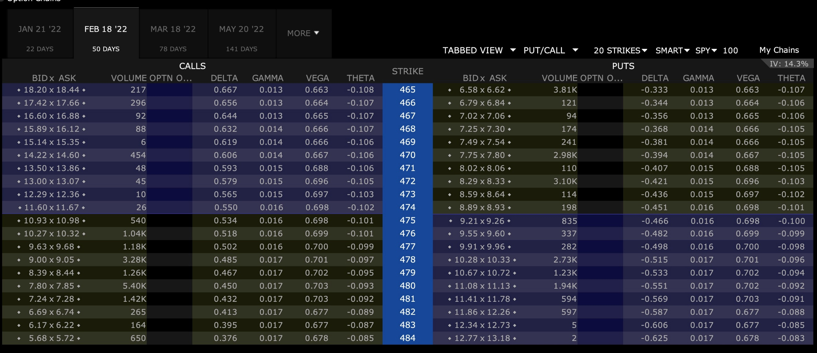
Call |  |  |  | K | Put
bid | mid | ask | volumne |  | bid | mid | ask | volume | call delta | put delta
18.20 |  | 18.44 | 217.00 | 465.00 | 6.58 |  | 6.62 | 3810.00 | 0.667 | -0.333
17.42 |  | 17.66 | 296.00 | 466.00 | 6.79 |  | 6.84 | 121.00 | 0.656 | -0.344
16.60 |  | 16.88 | 92.00 | 467.00 | 7.02 |  | 7.06 | 94.00 | 0.644 | -0.356
15.89 |  | 16.12 | 88.00 | 468.00 | 7.25 |  | 7.30 | 174.00 | 0.632 | -0.368
15.14 |  | 15.35 | 6.00 | 469.00 | 7.49 |  | 7.54 | 241.00 | 0.619 | -0.381
14.22 |  | 14.60 | 454.00 | 470.00 | 7.75 |  | 7.80 | 2980.00 | 0.606 | -0.394
13.50 |  | 13.86 | 48.00 | 471.00 | 8.02 |  | 8.06 | 110.00 | 0.593 | -0.407
13.00 |  | 13.07 | 45.00 | 472.00 | 8.29 |  | 8.33 | 3100.00 | 0.579 | -0.421
12.29 |  | 12.36 | 10.00 | 473.00 | 8.59 |  | 8.64 | 114.00 | 0.565 | -0.435
11.60 |  | 11.67 | 26.00 | 474.00 | 8.89 |  | 8.93 | 198.00 | 0.550 | -0.450
10.93 |  | 10.98 | 540.00 | 475.00 | 9.21 |  | 9.26 | 835.00 | 0.534 | -0.466
10.27 |  | 10.32 | 1040.00 | 476.00 | 9.55 |  | 9.60 | 337.00 | 0.518 | -0.482
9.63 |  | 9.68 | 1180.00 | 477.00 | 9.91 |  | 9.96 | 282.00 | 0.502 | -0.498
9.00 |  | 9.05 | 3280.00 | 478.00 | 10.28 |  | 10.33 | 2730.00 | 0.485 | -0.515
8.39 |  | 8.44 | 1260.00 | 479.00 | 10.67 |  | 10.72 | 1230.00 | 0.467 | -0.533
7.80 |  | 7.85 | 5400.00 | 480.00 | 11.08 |  | 11.13 | 1940.00 | 0.450 | -0.550
7.24 |  | 7.28 | 1420.00 | 481.00 | 11.41 |  | 11.78 | 594.00 | 0.432 | -0.568
6.69 |  | 6.74 | 265.00 | 482.00 | 11.86 |  | 12.26 | 597.00 | 0.413 | -0.587
6.17 |  | 6.22 | 164.00 | 483.00 | 12.34 |  | 12.73 | 5.00 | 0.395 | -0.605
5.68 |  | 5.72 | 650.00 | 484.00 | 12.77 |  | 13.18 | 2.00 | 0.376 | -0.624

r,q (2)
S | 474.52 |  | A/360 | 50 | 0.13888888889 |  |  |  |  | C-P = S e^(-qT) - K e^(-rT) |  | normal equation |  |  | SUMMARY OUTPUT
T | 50 days | 2022-02-18 | 30/360 | 48 | 0.13333333333 |  |  |  |  | C-P = F e^(-rT) - K e^(-rT) |  | y = a + bx + e
today | 2021-12-30 |  | B/252 | 37 | 0.14682539683 |  |  |  |  | C-P = PV of F - K e^(-rT) |  | Ey = a + b Ex |  |  | Regression Statistics
Call |  |  |  |  | Put |  |  |  |  |  |  |  |  |  | Multiple R | 0.99998241493
bid | mid | ask | volumne | K | bid | mid | ask | volume | C-P | X | Y | (X.T * X)^(-1) | 2.7836272612E-07 |  | R Square | 0.99996483018
18.20 | 18.32 | 18.44 | 217.00 | 465.00 | 6.58 | 6.60 | 6.62 | 3810.00 | 11.72 | 465.00 | 11.72 | X.T * Y | 21446.305 |  | Adjusted R Square | 0.99996231805
17.42 | 17.54 | 17.66 | 296.00 | 466.00 | 6.79 | 6.81 | 6.84 | 121.00 | 10.73 | 466.00 | 10.73 | beta | -1.0007514529 | -e^(-rT) | Standard Error | 0.034109979811
16.60 | 16.74 | 16.88 | 92.00 | 467.00 | 7.02 | 7.04 | 7.06 | 94.00 | 9.70 | 467.00 | 9.70 | intercept | 477.05854778 | PV of F | Observations | 16
15.89 | 16.01 | 16.12 | 88.00 | 468.00 | 7.25 | 7.28 | 7.30 | 174.00 | 8.73 | 468.00 | 8.73
15.14 | 15.25 | 15.35 | 6.00 | 469.00 | 7.49 | 7.52 | 7.54 | 241.00 | 6.64 | 470.00 | 6.64 | S | 474.52 |  | ANOVA
14.22 | 14.41 | 14.60 | 454.00 | 470.00 | 7.75 | 7.78 | 7.80 | 2980.00 | 5.64 | 471.00 | 5.64 | T | 0.13888888889 |  |  | df | SS | MS | F | Significance F
13.50 | 13.68 | 13.86 | 48.00 | 471.00 | 8.02 | 8.04 | 8.06 | 110.00 | 4.73 | 472.00 | 4.73 | r | -0.0054084290377 |  | Regression | 1 | 463.13276113 | 463.13276113 | 398054.53718 | 1.394200718E-32
13.00 | 13.04 | 13.07 | 45.00 | 472.00 | 8.29 | 8.31 | 8.33 | 3100.00 | 2.72 | 474.00 | 2.72 | q | -0.038415299282 |  | Residual | 14 | 0.016288870118 | 0.0011634907227
12.29 | 12.33 | 12.36 | 10.00 | 473.00 | 8.59 | 8.62 | 8.64 | 114.00 | 1.72 | 475.00 | 1.72 |  |  |  | Total | 15 | 463.14905
11.60 | 11.64 | 11.67 | 26.00 | 474.00 | 8.89 | 8.91 | 8.93 | 198.00 | 0.72 | 476.00 | 0.72
10.93 | 10.96 | 10.98 | 540.00 | 475.00 | 9.21 | 9.24 | 9.26 | 835.00 | -0.28 | 477.00 | -0.28 |  |  |  |  | Coefficients | Standard Error | t Stat | P-value | Lower 95% | Upper 95% | Lower 95.0% | Upper 95.0%
10.27 | 10.30 | 10.32 | 1040.00 | 476.00 | 9.55 | 9.58 | 9.60 | 337.00 | -1.28 | 478.00 | -1.28 |  |  |  | Intercept | 477.05854778 | 0.7516045632 | 634.72013228 | 1.281659671E-32 | 475.44651631 | 478.67057924 | 475.44651631 | 478.67057924
9.63 | 9.66 | 9.68 | 1180.00 | 477.00 | 9.91 | 9.94 | 9.96 | 282.00 | -2.28 | 479.00 | -2.28 |  |  |  | X Variable 1 | -1.0007514529 | 0.0015861890228 | -630.91563396 | 1.394200718E-32 | -1.00415349 | -0.9973494158 | -1.00415349 | -0.9973494158
9.00 | 9.03 | 9.05 | 3280.00 | 478.00 | 10.28 | 10.31 | 10.33 | 2730.00 | -3.28 | 480.00 | -3.28
8.39 | 8.42 | 8.44 | 1260.00 | 479.00 | 10.67 | 10.70 | 10.72 | 1230.00 | -4.33 | 481.00 | -4.33
7.80 | 7.82 | 7.85 | 5400.00 | 480.00 | 11.08 | 11.11 | 11.13 | 1940.00 | -5.34 | 482.00 | -5.34
7.24 | 7.26 | 7.28 | 1420.00 | 481.00 | 11.41 | 11.59 | 11.78 | 594.00
6.69 | 6.72 | 6.74 | 265.00 | 482.00 | 11.86 | 12.06 | 12.26 | 597.00
6.17 | 6.20 | 6.22 | 164.00 | 483.00 | 12.34 | 12.54 | 12.73 | 5.00
5.68 | 5.70 | 5.72 | 650.00 | 484.00 | 12.77 | 12.98 | 13.18 | 2.00

 |  | 去掉流动性非常低的一些

价格曲线
call

S | K | r | q | vol | T | S | S-K | C | K-S | P
442 | 474 | -0.0071152800556 | -0.040133384799 | 0.14457250209 | 0.13888888889 | 466 | 0 | 1.3534301175 | 32 | 31.351461022
446 | 474 | -0.0071152800556 | -0.040133384799 | 0.14457250209 | 0.13888888889 | 467 | 0 | 1.8989130987 | 28 | 27.874585422
450 | 474 | -0.0071152800556 | -0.040133384799 | 0.14457250209 | 0.13888888889 | 468 | 0 | 2.6034474202 | 24 | 24.556761162
454 | 474 | -0.0071152800556 | -0.040133384799 | 0.14457250209 | 0.13888888889 | 469 | 0 | 3.4919275537 | 20 | 21.422882715
458 | 474 | -0.0071152800556 | -0.040133384799 | 0.14457250209 | 0.13888888889 | 470 | 0 | 4.5872119422 | 16 | 18.495808522
462 | 474 | -0.0071152800556 | -0.040133384799 | 0.14457250209 | 0.13888888889 | 471 | 0 | 5.9086818672 | 12 | 15.794919866
466 | 474 | -0.0071152800556 | -0.040133384799 | 0.14457250209 | 0.13888888889 | 472 | 0 | 7.4709993261 | 8 | 13.334878743
470 | 474 | -0.0071152800556 | -0.040133384799 | 0.14457250209 | 0.13888888889 | 473 | 0 | 9.2832229281 | 4 | 11.124743764
474 | 474 | -0.0071152800556 | -0.040133384799 | 0.14457250209 | 0.13888888889 | 474 | 0 | 11.348118925 | 0 | 9.1672811799
478 | 474 | -0.0071152800556 | -0.040133384799 | 0.14457250209 | 0.13888888889 | 475 | 4 | 13.662288616 | 0 | 7.4590922897
482 | 474 | -0.0071152800556 | -0.040133384799 | 0.14457250209 | 0.13888888889 | 476 | 8 | 16.216499539 | 0 | 5.990944631
486 | 474 | -0.0071152800556 | -0.040133384799 | 0.14457250209 | 0.13888888889 | 477 | 12 | 18.99639816 | 0 | 4.7484846712
490 | 474 | -0.0071152800556 | -0.040133384799 | 0.14457250209 | 0.13888888889 | 478 | 16 | 21.983703471 | 0 | 3.7134314002
494 | 474 | -0.0071152800556 | -0.040133384799 | 0.14457250209 | 0.13888888889 | 479 | 20 | 25.157387246 | 0 | 2.8647565945
put
498 | 474 | -0.0071152800556 | -0.040133384799 | 0.14457250209 | 0.13888888889 | 480 | 24 | 28.49491766 | 0 | 2.1799284271
502 | 474 | -0.0071152800556 | -0.040133384799 | 0.14457250209 | 0.13888888889 | 481 | 28 | 31.973433843 | 0 | 1.6360860285
506 | 474 | -0.0071152800556 | -0.040133384799 | 0.14457250209 | 0.13888888889 | 482 | 32 | 35.570755961 | 0 | 1.2110495653
510 | 474 | -0.0071152800556 | -0.040133384799 | 0.14457250209 | 0.13888888889 | 483 | 36 | 39.266173959 | 0 | 0.88410898193

图2
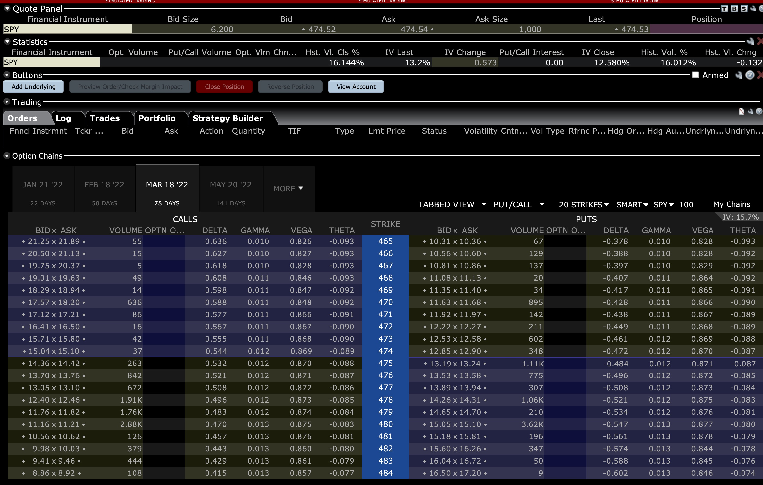

 | 只看K=474的那一行
1 | midprice
2 | 根据市价求IV
3 | 根据IV求价格，应该等于市价
4 | 验证put call parity
5 | 用finite difference 计算 call的delta,gamma,vega,theta

